Sheet1
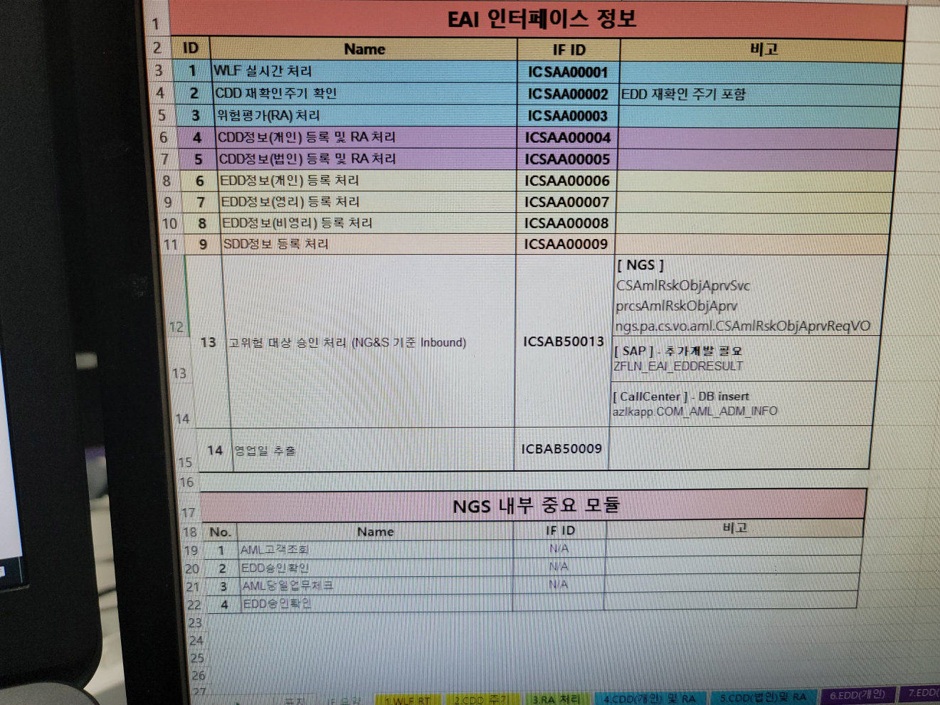
LP515서버에 2개의 RuleEngine이 떠 있는데
첫번째 Engine은 2021.04.29 15:46 16 ~ 2021.04.29 16:26 22 사이 103건 처리.
두번째 Engine은 2021.04.29 15:46 16 ~ 2021.04.29 16:26 27 사이 103건 처리
LP516서버에도 2개의 RuleEngine이 떠 있는데
첫번째 Engine은 2021.04.29 14:00 03 ~ 2021.04.29 16:26 20 사이 202건 처리.
두번째 Engine은 2021.04.29 14:00 03 ~ 2021.04.29 16:26 20 사이 201건 처리

